Sheet1
 |  |  | m = | 0.1676 | c = | -7.936
age | have_insurance
X | y (Autals) | y.hat = mx + c | sigmoid | y.hat (classification)
22 | 0 | -4.2488 | 0.014080275759 | 0
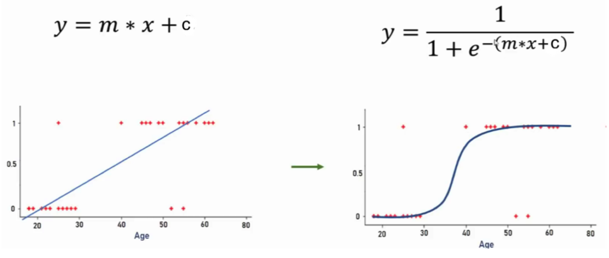
25 | 0 | -3.746 | 0.023067339101 | 0
47 | 1 | -0.0588 | 0.4853042339 | 0
52 | 0 | 0.7792 | 0.68550767002 | 1
46 | 1 | -0.2264 | 0.44364052919 | 0
56 | 1 | 1.4496 | 0.80993686596 | 1
63 | 0 | 2.6228 | 0.93231461186 | 1
60 | 1 | 2.12 | 0.89283192951 | 1
62 | 1 | 2.4552 | 0.92094088611 | 1
61 | 1 | 2.2876 | 0.90784485634 | 1
18 | 0 | -4.9192 | 0.0072519968503 | 0
28 | 0 | -3.2432 | 0.037572006004 | 0
27 | 0 | -3.4108 | 0.031959637645 | 0
29 | 0 | -3.0756 | 0.04412502683 | 0
49 | 1 | 0.2764 | 0.56866341591 | 1
23 | 0 | -4.0812 | 0.01660674758 | 0
35 | 0 | -2.07 | 0.11204703856 | 0
55 | 1 | 1.282 | 0.78279002835 | 1
54 | 0 | 1.1144 | 0.75294849713 | 1
48 | 1 | 0.1088 | 0.52717320019 | 1 |  | value | sigmoid val
58 | 1 | 1.7848 | 0.8562885573 | 1 |  | 0.0001 | 0.500025
45 | 0 | -0.394 | 0.40275475413 | 0 |  | 0.001 | 0.50024999998
66 | 1 | 3.1256 | 0.95793645525 | 1 |  | 0.01 | 0.50249997917
65 | 1 | 2.958 | 0.95064023169 | 1 |  | 0.11 | 0.52747230434
59 | 1 | 1.9524 | 0.87570810166 | 1 |  | 1 | 0.73105857863
20 | 0 | -4.584 | 0.010110688487 | 0 |  | 11 | 0.99998329858
31 | 0 | -2.7404 | 0.060631117317 | 0 |  | 1111 | 1
33 | 0 | -2.4052 | 0.082777029 | 0 |  | 1111111 | 1
39 | 0 | -1.3996 | 0.19787959307 | 0
50 | 1 | 0.444 | 0.60921173685 | 1

